1. Title Page
Basket Analyses

Project Name: Instacart Basket Analyses
Date: 07.09.2022
Analyst Name: Samira Stragiotti

Contents:
Population Flow
Consistency checks
Wrangling steps
Column derivations
Visualizations
Recommendations

2. Population Flow
Title page

Population flow

Exclusion flag
Condition: max_order < 5
Obervations to be removed: 2884
Final total count of order_products_all: 32'401'975

Orders_products_combined
Orders_products_merged
Orders_products_all

Total: 32'404'859
Total: 32'434'489
Total: 32'404'859

3. Consistency checks
 |  |  |  |  |  |  | Title page
Consistency checks

Dataset | Missing values | Missing values treatment | Duplicates
orders | 206209 (days_since_prior_order) | flag 'new_customer' created | none
products | 16 (product_name) | deleted | 5
orders_products_prior | none | none | none
customers | 11259 (first_name) | none | none
orders_product_all | 2075167 (days_since_prior_order) and 32401975 (low_activity) | none | none

Crosstab between the “days_since_prior_order” column and the “order_number” column:

days_since_prior_order | 1 | 2 | 3 | 4 | 5 | 6 | 7 | 8 | 9 | 10 | 11 | 12 | 13 | 14 | 15 | 16 | 17 | 18 | 19 | 20 | 21 | 22 | 23 | 24 | 25 | 26 | 27 | 28 | 29 | 30 | 31 | 32 | 33 | 34 | 35 | 36 | 37 | 38 | 39 | 40 | 41 | 42 | 43 | 44 | 45 | 46 | 47 | 48 | 49 | 50 | 51 | 52 | 53 | 54 | 55 | 56 | 57 | 58 | 59 | 60 | 61 | 62 | 63 | 64 | 65 | 66 | 67 | 68 | 69 | 70 | 71 | 72 | 73 | 74 | 75 | 76 | 77 | 78 | 79 | 80 | 81 | 82 | 83 | 84 | 85 | 86 | 87 | 88 | 89 | 90 | 91 | 92 | 93 | 94 | 95 | 96 | 97 | 98 | 99
0 | 0 | 20500 | 20413 | 17981 | 16438 | 16046 | 14384 | 13890 | 12774 | 11460 | 11784 | 9828 | 9438 | 8960 | 8435 | 8130 | 7848 | 7749 | 7038 | 6902 | 7084 | 6424 | 6170 | 6103 | 6032 | 5541 | 6049 | 5569 | 5201 | 5685 | 4811 | 5133 | 4630 | 4535 | 4552 | 4384 | 4314 | 4093 | 3864 | 4029 | 4056 | 3825 | 3677 | 3670 | 3226 | 3519 | 3326 | 2720 | 3164 | 2634 | 2482 | 2928 | 2624 | 2522 | 2379 | 2483 | 2375 | 2221 | 2354 | 2196 | 2069 | 2247 | 1856 | 2031 | 1585 | 2127 | 1939 | 1871 | 1560 | 1672 | 1700 | 1573 | 1731 | 1555 | 1341 | 1537 | 1526 | 1422 | 1369 | 1184 | 1306 | 1196 | 1150 | 1490 | 1343 | 1358 | 1139 | 1177 | 1177 | 1195 | 1148 | 1040 | 937 | 1134 | 1099 | 1041 | 883 | 1037 | 935
1 | 0 | 31649 | 29939 | 28006 | 27092 | 25533 | 24996 | 22921 | 21783 | 21067 | 21260 | 19516 | 19108 | 18279 | 18544 | 18133 | 16765 | 15977 | 15509 | 15128 | 15183 | 13855 | 13619 | 13230 | 12861 | 13006 | 12938 | 11962 | 12525 | 12084 | 11751 | 11581 | 10867 | 10395 | 9694 | 9688 | 9760 | 9506 | 9562 | 9456 | 8645 | 8873 | 8713 | 8576 | 8441 | 8323 | 8482 | 8199 | 7711 | 7147 | 7715 | 6976 | 6525 | 7033 | 7112 | 6250 | 6438 | 6265 | 5896 | 5851 | 5598 | 5947 | 4935 | 5725 | 4852 | 4950 | 5263 | 4675 | 4568 | 4692 | 4123 | 4405 | 4222 | 4229 | 4013 | 3918 | 4106 | 3996 | 3596 | 4132 | 3518 | 3149 | 3458 | 3289 | 3245 | 3108 | 2970 | 2693 | 3027 | 2787 | 2801 | 2728 | 2605 | 2606 | 2639 | 2436 | 2535 | 2633 | 2363
2 | 0 | 46444 | 46251 | 43902 | 40729 | 40907 | 38101 | 37519 | 35745 | 33830 | 33364 | 31473 | 30602 | 30259 | 28626 | 27574 | 26687 | 26236 | 25612 | 23717 | 23529 | 23979 | 23049 | 22337 | 21831 | 21598 | 20651 | 19776 | 18953 | 19240 | 18736 | 18331 | 17108 | 17534 | 16381 | 16021 | 16448 | 16095 | 15569 | 14664 | 14450 | 14344 | 13397 | 12920 | 12940 | 12895 | 12061 | 13443 | 12348 | 11730 | 11714 | 10607 | 10573 | 10813 | 10214 | 9494 | 9709 | 9349 | 8823 | 8733 | 8963 | 8179 | 8185 | 7712 | 7416 | 7756 | 7338 | 7041 | 7148 | 6623 | 6737 | 6386 | 6289 | 5951 | 5709 | 5629 | 5221 | 5058 | 5071 | 4704 | 4924 | 4388 | 4801 | 4658 | 3946 | 3937 | 4074 | 4204 | 3474 | 3623 | 3555 | 3314 | 3589 | 3319 | 3072 | 2985 | 3057 | 3091 | 2609
3 | 0 | 61624 | 63375 | 59995 | 57882 | 56183 | 52869 | 49291 | 48295 | 47826 | 45028 | 42994 | 42117 | 40701 | 38433 | 37943 | 35934 | 34663 | 34387 | 32645 | 32395 | 31478 | 30683 | 29434 | 29001 | 28254 | 26465 | 27083 | 25750 | 23421 | 23592 | 24477 | 23818 | 22226 | 21865 | 21329 | 20609 | 20805 | 19501 | 20909 | 18544 | 17952 | 17429 | 16905 | 16367 | 16424 | 15506 | 15539 | 14239 | 14977 | 13646 | 13555 | 12915 | 12216 | 11583 | 11839 | 11204 | 10572 | 10601 | 9899 | 10058 | 9837 | 9019 | 9232 | 8346 | 7929 | 7890 | 7420 | 7948 | 7222 | 6659 | 6834 | 6267 | 6273 | 6433 | 6070 | 5437 | 5168 | 5425 | 4885 | 5008 | 4557 | 4436 | 3799 | 4246 | 4005 | 3915 | 3359 | 3573 | 3318 | 3237 | 2799 | 3073 | 2902 | 2635 | 2658 | 2462 | 2168 | 2467
4 | 0 | 76718 | 78844 | 73537 | 70519 | 66569 | 62399 | 61143 | 59499 | 57700 | 54730 | 51935 | 48774 | 46896 | 45838 | 44241 | 42119 | 41276 | 39404 | 37328 | 36517 | 36475 | 35903 | 33132 | 34157 | 31341 | 31036 | 30094 | 28532 | 27017 | 26954 | 26013 | 24438 | 24654 | 23964 | 23047 | 22939 | 21584 | 20794 | 19015 | 19390 | 19327 | 18766 | 18719 | 18091 | 16584 | 16188 | 15564 | 15003 | 14202 | 13801 | 13032 | 12912 | 12019 | 11650 | 11928 | 11599 | 10291 | 9864 | 9640 | 9029 | 8717 | 8571 | 7755 | 8195 | 7316 | 6613 | 6331 | 6114 | 6468 | 6385 | 5590 | 5320 | 4985 | 5209 | 4348 | 4795 | 4442 | 4184 | 4229 | 3868 | 3985 | 3444 | 3224 | 2843 | 2862 | 2584 | 2711 | 2630 | 2342 | 2260 | 2490 | 2031 | 1800 | 2083 | 1918 | 1792 | 1695 | 1810
5 | 0 | 88985 | 91717 | 86501 | 81859 | 77583 | 73584 | 70020 | 64468 | 63154 | 59454 | 55546 | 53534 | 52955 | 49271 | 46960 | 47010 | 44879 | 42069 | 40778 | 40189 | 37707 | 35499 | 36144 | 34793 | 32270 | 31855 | 29641 | 29403 | 29377 | 27823 | 26071 | 25951 | 24194 | 23069 | 22117 | 21232 | 20018 | 19594 | 20514 | 18734 | 17596 | 16948 | 15597 | 15486 | 14351 | 14082 | 13320 | 13483 | 11456 | 12043 | 11739 | 10810 | 10348 | 10181 | 9077 | 8716 | 8578 | 7678 | 7878 | 6733 | 6396 | 6566 | 5757 | 5378 | 5299 | 4611 | 5508 | 5065 | 4396 | 4117 | 4276 | 3544 | 3440 | 3246 | 3197 | 2487 | 2725 | 2746 | 2816 | 2289 | 2303 | 2138 | 2099 | 2372 | 2002 | 1946 | 1566 | 1462 | 1630 | 1630 | 1367 | 983 | 1215 | 1220 | 1166 | 966 | 912 | 936
6 | 0 | 120664 | 122850 | 114641 | 106764 | 100756 | 95954 | 89752 | 87203 | 78634 | 78896 | 74719 | 68650 | 65130 | 62374 | 58794 | 56469 | 54791 | 53258 | 51292 | 49395 | 46209 | 44182 | 41002 | 38586 | 38714 | 36434 | 35073 | 33674 | 32644 | 30845 | 29967 | 28473 | 28306 | 26601 | 26518 | 24094 | 22753 | 22728 | 20868 | 19362 | 18786 | 17762 | 17389 | 16746 | 15137 | 13992 | 12418 | 12933 | 11604 | 11087 | 9631 | 9277 | 8368 | 8686 | 7298 | 7078 | 6703 | 6146 | 6114 | 5515 | 4911 | 5011 | 4549 | 4643 | 3848 | 3975 | 3536 | 3445 | 2902 | 2886 | 2251 | 2779 | 2594 | 2230 | 1949 | 1930 | 1891 | 1738 | 1531 | 1693 | 1448 | 1391 | 1340 | 1216 | 995 | 960 | 1063 | 989 | 754 | 842 | 940 | 1014 | 835 | 570 | 490 | 602 | 485 | 542
7 | 0 | 184782 | 181631 | 167589 | 157442 | 143628 | 137675 | 128423 | 120734 | 114769 | 106392 | 103116 | 100542 | 93723 | 89445 | 86204 | 81249 | 78056 | 73126 | 71052 | 68563 | 64149 | 62517 | 58574 | 56692 | 53871 | 50909 | 48710 | 47628 | 44825 | 42455 | 41609 | 38258 | 35791 | 34191 | 33235 | 32298 | 30421 | 28159 | 27660 | 27208 | 25988 | 23792 | 21938 | 20517 | 19873 | 17770 | 17174 | 15137 | 14707 | 12832 | 12948 | 10361 | 9594 | 8579 | 7316 | 7017 | 6385 | 6247 | 5733 | 5190 | 4902 | 3872 | 3571 | 3462 | 3587 | 3410 | 2562 | 2245 | 2471 | 2108 | 2394 | 2044 | 1907 | 1678 | 1629 | 1784 | 1438 | 1324 | 1086 | 958 | 969 | 920 | 858 | 956 | 710 | 763 | 714 | 694 | 634 | 573 | 521 | 440 | 602 | 421 | 420 | 378 | 419 | 322
8 | 0 | 112306 | 110719 | 102214 | 94945 | 87611 | 81622 | 78760 | 71070 | 67567 | 64889 | 60068 | 57373 | 53559 | 50904 | 47433 | 44192 | 43274 | 40812 | 38660 | 35895 | 35093 | 31992 | 30974 | 30050 | 27674 | 25995 | 26308 | 23929 | 22221 | 21980 | 19751 | 19303 | 17557 | 17539 | 16115 | 16128 | 14634 | 14585 | 13279 | 11925 | 11625 | 11090 | 10410 | 9421 | 8519 | 7974 | 7459 | 7216 | 6493 | 5557 | 5042 | 5048 | 4438 | 3768 | 3757 | 3044 | 2926 | 2888 | 2581 | 2522 | 2243 | 1972 | 1852 | 1713 | 1350 | 1338 | 1509 | 1324 | 1428 | 1085 | 1137 | 1165 | 937 | 958 | 759 | 761 | 762 | 731 | 477 | 475 | 322 | 549 | 656 | 262 | 342 | 278 | 416 | 340 | 238 | 262 | 228 | 244 | 275 | 232 | 234 | 143 | 137 | 84
9 | 0 | 73658 | 75360 | 68510 | 65045 | 58933 | 54801 | 50593 | 47752 | 43483 | 42175 | 38059 | 36775 | 34974 | 31584 | 30753 | 28868 | 26648 | 25607 | 23312 | 22198 | 20464 | 20556 | 18864 | 17911 | 16488 | 16820 | 15386 | 14568 | 13532 | 12991 | 12418 | 11511 | 10783 | 10639 | 9207 | 8483 | 8096 | 7256 | 7041 | 6455 | 5867 | 5848 | 5450 | 4910 | 4506 | 3902 | 3486 | 3554 | 3272 | 3188 | 2813 | 2287 | 2176 | 2294 | 1978 | 1787 | 1629 | 1637 | 1683 | 1281 | 1045 | 1073 | 1005 | 1005 | 705 | 926 | 932 | 715 | 628 | 454 | 550 | 482 | 613 | 417 | 398 | 317 | 482 | 374 | 241 | 271 | 332 | 347 | 348 | 115 | 209 | 201 | 229 | 266 | 190 | 90 | 98 | 101 | 146 | 91 | 67 | 102 | 66 | 65
10 | 0 | 62011 | 62444 | 57674 | 51916 | 49463 | 43706 | 41110 | 38443 | 34916 | 33905 | 32706 | 29763 | 28718 | 25319 | 23601 | 22588 | 20539 | 19364 | 18414 | 17548 | 15869 | 15648 | 14704 | 14095 | 13640 | 12147 | 10827 | 10530 | 10545 | 10006 | 8527 | 8490 | 7972 | 7629 | 6640 | 6158 | 5935 | 5614 | 4596 | 4850 | 4719 | 3768 | 3747 | 3638 | 3395 | 3032 | 2868 | 2346 | 2579 | 2103 | 2125 | 2034 | 1703 | 1579 | 1304 | 1393 | 1226 | 1148 | 901 | 915 | 721 | 893 | 742 | 821 | 570 | 540 | 596 | 431 | 493 | 370 | 443 | 626 | 389 | 579 | 389 | 339 | 239 | 191 | 216 | 143 | 111 | 289 | 203 | 278 | 136 | 223 | 114 | 138 | 60 | 103 | 222 | 78 | 45 | 116 | 4 | 101 | 42 | 59
11 | 0 | 55553 | 55906 | 51971 | 45512 | 42542 | 40174 | 36884 | 33404 | 30830 | 29422 | 27423 | 26254 | 23919 | 21639 | 20252 | 20334 | 17858 | 17074 | 15903 | 13577 | 13913 | 12087 | 11981 | 10706 | 11288 | 9861 | 8609 | 7930 | 7036 | 8067 | 6156 | 6559 | 5935 | 5579 | 5379 | 4936 | 4200 | 4048 | 3722 | 3388 | 2982 | 3199 | 2921 | 2710 | 2192 | 2269 | 2042 | 1782 | 1716 | 1637 | 1343 | 1554 | 1354 | 1225 | 1121 | 1020 | 997 | 819 | 735 | 758 | 652 | 688 | 451 | 523 | 383 | 391 | 349 | 273 | 438 | 417 | 344 | 349 | 286 | 256 | 226 | 234 | 139 | 155 | 213 | 139 | 347 | 102 | 97 | 102 | 111 | 68 | 46 | 61 | 57 | 83 | 175 | 55 | 68 | 126 | 63 | 64 | 1 | 19
12 | 0 | 54588 | 56608 | 51042 | 44615 | 42591 | 38685 | 35331 | 33477 | 29857 | 26682 | 26520 | 24342 | 21421 | 21437 | 20403 | 18272 | 16061 | 15712 | 14412 | 12982 | 12227 | 11013 | 10950 | 9543 | 8705 | 8608 | 7955 | 7454 | 7137 | 6361 | 5965 | 5373 | 4695 | 5381 | 4624 | 3956 | 4086 | 3542 | 3287 | 3193 | 2808 | 2473 | 1952 | 1858 | 2150 | 1981 | 1567 | 1423 | 1746 | 1208 | 1400 | 1138 | 859 | 670 | 797 | 734 | 702 | 978 | 749 | 394 | 538 | 577 | 459 | 536 | 434 | 283 | 386 | 408 | 264 | 319 | 275 | 341 | 196 | 224 | 190 | 137 | 183 | 170 | 126 | 202 | 63 | 65 | 101 | 187 | 55 | 101 | 53 | 55 | 58 | 54 | 70 | 32 | 50 | 75 | 55 | 52 | 5 | 66
13 | 0 | 63946 | 66334 | 58472 | 54339 | 47725 | 44872 | 41268 | 38333 | 34275 | 32540 | 28186 | 26812 | 23669 | 23219 | 20620 | 20562 | 18331 | 16442 | 14425 | 15009 | 12033 | 11747 | 10648 | 10059 | 9569 | 8837 | 7687 | 7736 | 6742 | 5846 | 5659 | 5372 | 5555 | 4727 | 4422 | 3586 | 3598 | 3116 | 2976 | 2921 | 2294 | 2419 | 2244 | 1728 | 1877 | 1674 | 1208 | 1197 | 1105 | 1131 | 847 | 988 | 740 | 684 | 800 | 417 | 480 | 399 | 307 | 557 | 347 | 398 | 390 | 252 | 297 | 355 | 456 | 317 | 228 | 175 | 154 | 116 | 73 | 71 | 230 | 56 | 202 | 214 | 65 | 80 | 123 | 59 | 75 | 53 | 94 | 63 | 56 | 82 | 69 | 93 | 93 | 80 | 85 | 24 | 27 | 61 | 83 | 68
14 | 0 | 82089 | 79751 | 74707 | 67484 | 60476 | 54863 | 49237 | 46265 | 42381 | 38402 | 34335 | 32063 | 30164 | 26894 | 25911 | 24366 | 22016 | 19793 | 18077 | 15054 | 15287 | 14637 | 13303 | 11500 | 10719 | 10466 | 9480 | 7996 | 8325 | 7978 | 6654 | 6229 | 5301 | 4439 | 4868 | 4250 | 3624 | 3925 | 2820 | 2851 | 2258 | 2711 | 2692 | 1951 | 2073 | 1834 | 1640 | 1388 | 1241 | 964 | 633 | 1051 | 627 | 669 | 906 | 582 | 808 | 645 | 455 | 476 | 274 | 437 | 423 | 214 | 168 | 392 | 340 | 257 | 243 | 205 | 277 | 160 | 150 | 103 | 84 | 110 | 124 | 94 | 32 | 91 | 28 | 137 | 45 | 77 | 46 | 41 | 39 | 57 | 38 | 8 | 13 | 96 | 55 | 41 | 32 | 54 | 33 | 5
15 | 0 | 54467 | 53576 | 50226 | 44029 | 39497 | 35548 | 33879 | 29615 | 27757 | 25061 | 24441 | 20663 | 19269 | 17666 | 16195 | 15608 | 13384 | 12534 | 11839 | 10060 | 10403 | 8338 | 7646 | 8086 | 6473 | 6324 | 6086 | 5434 | 5211 | 4247 | 4193 | 3806 | 3391 | 2952 | 2868 | 2706 | 2828 | 2264 | 2339 | 1636 | 1833 | 1692 | 1609 | 1141 | 991 | 936 | 1055 | 653 | 993 | 541 | 558 | 448 | 724 | 661 | 478 | 295 | 341 | 357 | 243 | 155 | 229 | 273 | 175 | 121 | 263 | 158 | 164 | 102 | 129 | 160 | 71 | 137 | 55 | 107 | 106 | 24 | 100 | 78 | 35 | 22 | 66 | 113 | 91 | 56 | 34 | 66 | 9 | 16 | 44 | 14 | 31 | 25 | 6 | 23 | 20 | 17 | 7 | 17
16 | 0 | 38873 | 39516 | 34478 | 30581 | 28286 | 25429 | 22407 | 22373 | 20587 | 17432 | 15607 | 14352 | 13293 | 11936 | 10824 | 9592 | 9666 | 8459 | 7670 | 6717 | 6477 | 5717 | 5714 | 4964 | 4077 | 3811 | 3762 | 3307 | 2613 | 2529 | 3002 | 2341 | 2280 | 1999 | 2040 | 1610 | 1450 | 1400 | 1332 | 974 | 950 | 827 | 717 | 843 | 614 | 745 | 866 | 497 | 574 | 497 | 366 | 389 | 299 | 526 | 260 | 219 | 251 | 184 | 153 | 70 | 74 | 119 | 112 | 190 | 85 | 100 | 85 | 71 | 75 | 115 | 104 | 76 | 64 | 49 | 30 | 48 | 27 | 54 | 19 | 51 | 41 | 51 | 10 | 29 | 31 | 41 | 7 | 8 | 65 | 20 | 7 | 0 | 12 | 0 | 39 | 50 | 17 | 10
17 | 0 | 31932 | 32851 | 29820 | 26271 | 23860 | 20629 | 18592 | 17567 | 16012 | 14276 | 12805 | 12054 | 11604 | 10133 | 9139 | 7982 | 7794 | 7889 | 6215 | 5686 | 5401 | 5216 | 4849 | 3598 | 3633 | 3198 | 2932 | 2766 | 2164 | 2060 | 1918 | 2010 | 1736 | 1713 | 1406 | 1250 | 860 | 1033 | 865 | 969 | 894 | 710 | 673 | 536 | 635 | 540 | 398 | 463 | 314 | 361 | 401 | 353 | 127 | 388 | 236 | 206 | 284 | 135 | 86 | 132 | 118 | 155 | 186 | 91 | 56 | 37 | 76 | 49 | 23 | 44 | 65 | 44 | 34 | 73 | 18 | 21 | 45 | 27 | 16 | 28 | 91 | 10 | 8 | 46 | 15 | 37 | 16 | 1 | 14 | 0 | 32 | 0 | 16 | 7 | 4 | 23 | 0 | 5
18 | 0 | 31602 | 30474 | 27303 | 24859 | 21999 | 19165 | 17597 | 16762 | 15066 | 13316 | 12352 | 11341 | 9946 | 9042 | 8150 | 7173 | 6812 | 6676 | 5862 | 5099 | 4482 | 3583 | 3463 | 3459 | 3366 | 2780 | 2747 | 2179 | 2167 | 1806 | 1962 | 1530 | 1182 | 1515 | 1330 | 1045 | 955 | 1007 | 736 | 847 | 709 | 648 | 681 | 377 | 512 | 448 | 347 | 479 | 277 | 285 | 316 | 170 | 219 | 228 | 123 | 75 | 100 | 170 | 247 | 134 | 140 | 82 | 122 | 43 | 116 | 33 | 182 | 41 | 70 | 44 | 5 | 39 | 0 | 17 | 9 | 31 | 4 | 75 | 3 | 30 | 7 | 4 | 5 | 32 | 0 | 19 | 0 | 16 | 0 | 1 | 13 | 0 | 20 | 0 | 51 | 0 | 0 | 26
19 | 0 | 29875 | 31355 | 26499 | 23852 | 21441 | 19910 | 17867 | 15702 | 14316 | 12668 | 11411 | 10584 | 9073 | 8335 | 7743 | 6936 | 6291 | 6173 | 4884 | 4701 | 4669 | 4084 | 3240 | 3201 | 2651 | 2030 | 2667 | 2480 | 1534 | 1865 | 1574 | 1337 | 1549 | 1102 | 1090 | 830 | 820 | 631 | 574 | 561 | 692 | 718 | 496 | 372 | 211 | 434 | 385 | 288 | 328 | 447 | 269 | 147 | 163 | 106 | 170 | 72 | 120 | 144 | 117 | 128 | 15 | 56 | 70 | 37 | 79 | 15 | 87 | 30 | 28 | 37 | 57 | 26 | 38 | 17 | 41 | 29 | 62 | 26 | 31 | 16 | 0 | 29 | 0 | 60 | 4 | 12 | 1 | 0 | 0 | 6 | 0 | 0 | 0 | 0 | 21 | 14 | 0 | 0
20 | 0 | 35472 | 35197 | 31764 | 28748 | 25526 | 23119 | 19785 | 17132 | 16038 | 13598 | 13388 | 11947 | 10520 | 9639 | 8228 | 7692 | 6706 | 6526 | 5793 | 5526 | 4690 | 4170 | 3582 | 3290 | 3019 | 2897 | 2185 | 1950 | 2255 | 1670 | 1592 | 1357 | 1674 | 1255 | 1169 | 969 | 702 | 1008 | 671 | 640 | 520 | 509 | 423 | 497 | 340 | 479 | 369 | 220 | 399 | 192 | 243 | 149 | 128 | 171 | 146 | 109 | 137 | 95 | 138 | 58 | 100 | 33 | 87 | 83 | 123 | 62 | 51 | 35 | 24 | 0 | 75 | 26 | 19 | 59 | 52 | 47 | 15 | 29 | 40 | 35 | 36 | 81 | 8 | 19 | 24 | 2 | 30 | 2 | 31 | 41 | 7 | 0 | 9 | 0 | 0 | 0 | 0 | 0
21 | 0 | 43923 | 44567 | 37643 | 32182 | 31428 | 26005 | 23502 | 20599 | 19549 | 16181 | 15146 | 13353 | 12165 | 10983 | 9804 | 8601 | 8148 | 6913 | 6130 | 5927 | 4786 | 4268 | 4144 | 3866 | 3530 | 3100 | 2424 | 2532 | 2545 | 2041 | 1605 | 1715 | 1658 | 1332 | 1147 | 1106 | 928 | 889 | 761 | 702 | 583 | 431 | 409 | 486 | 394 | 390 | 300 | 402 | 321 | 218 | 102 | 238 | 154 | 172 | 189 | 121 | 150 | 56 | 80 | 90 | 96 | 51 | 76 | 42 | 97 | 27 | 69 | 27 | 41 | 13 | 43 | 57 | 24 | 59 | 30 | 6 | 16 | 1 | 22 | 11 | 0 | 10 | 2 | 0 | 29 | 0 | 30 | 8 | 19 | 0 | 32 | 12 | 0 | 19 | 0 | 0 | 12 | 0
22 | 0 | 30020 | 29474 | 26578 | 23394 | 20486 | 18492 | 16947 | 15403 | 13864 | 11554 | 10671 | 9305 | 8216 | 8127 | 6580 | 6234 | 5182 | 4549 | 4677 | 3839 | 3146 | 3236 | 3001 | 2495 | 2454 | 1872 | 1824 | 1380 | 1433 | 1564 | 1477 | 979 | 950 | 987 | 804 | 785 | 701 | 487 | 424 | 543 | 394 | 345 | 421 | 413 | 276 | 374 | 347 | 198 | 137 | 196 | 280 | 130 | 119 | 141 | 128 | 33 | 96 | 61 | 70 | 34 | 2 | 75 | 7 | 26 | 28 | 34 | 0 | 56 | 41 | 12 | 22 | 26 | 10 | 12 | 57 | 0 | 16 | 19 | 2 | 0 | 0 | 0 | 14 | 0 | 0 | 0 | 17 | 0 | 0 | 9 | 0 | 0 | 0 | 0 | 0 | 0 | 0 | 0
23 | 0 | 22935 | 24112 | 19791 | 17068 | 15570 | 13896 | 11557 | 11146 | 8681 | 8556 | 7648 | 7303 | 6119 | 5458 | 4291 | 4270 | 3879 | 3137 | 3083 | 2834 | 2676 | 2029 | 2081 | 1652 | 1636 | 1295 | 1259 | 1037 | 1104 | 1082 | 987 | 960 | 468 | 519 | 654 | 448 | 461 | 407 | 426 | 256 | 302 | 265 | 157 | 285 | 177 | 169 | 149 | 104 | 159 | 117 | 178 | 56 | 77 | 92 | 118 | 35 | 82 | 29 | 7 | 53 | 63 | 22 | 16 | 19 | 0 | 21 | 6 | 52 | 18 | 9 | 0 | 10 | 52 | 30 | 40 | 0 | 10 | 3 | 10 | 0 | 0 | 8 | 18 | 0 | 0 | 0 | 0 | 0 | 13 | 0 | 0 | 0 | 0 | 9 | 0 | 0 | 0 | 0
24 | 0 | 19278 | 19429 | 16896 | 15718 | 13536 | 12404 | 10803 | 9504 | 8252 | 7621 | 6317 | 5887 | 5426 | 4422 | 3774 | 3489 | 3504 | 2731 | 2298 | 2407 | 1921 | 1854 | 1960 | 1176 | 1362 | 1501 | 681 | 1007 | 665 | 646 | 641 | 546 | 508 | 611 | 571 | 457 | 478 | 250 | 281 | 321 | 214 | 118 | 194 | 186 | 156 | 170 | 136 | 79 | 59 | 88 | 36 | 94 | 72 | 27 | 96 | 18 | 108 | 12 | 51 | 34 | 11 | 24 | 29 | 66 | 23 | 0 | 4 | 18 | 22 | 12 | 0 | 16 | 13 | 13 | 0 | 17 | 9 | 19 | 0 | 0 | 2 | 0 | 0 | 0 | 17 | 9 | 0 | 0 | 0 | 0 | 0 | 0 | 0 | 0 | 0 | 0 | 0 | 0
25 | 0 | 18747 | 19354 | 16263 | 14223 | 12605 | 10713 | 9214 | 8535 | 7797 | 6475 | 6109 | 5831 | 4802 | 4514 | 4009 | 3358 | 2919 | 2747 | 2286 | 2090 | 2071 | 1554 | 1299 | 1409 | 1081 | 1116 | 1259 | 749 | 950 | 710 | 557 | 545 | 487 | 381 | 294 | 259 | 227 | 388 | 169 | 183 | 111 | 218 | 216 | 179 | 78 | 26 | 87 | 77 | 153 | 99 | 27 | 186 | 4 | 73 | 62 | 17 | 39 | 51 | 5 | 6 | 46 | 49 | 39 | 44 | 5 | 26 | 26 | 0 | 10 | 43 | 0 | 0 | 0 | 13 | 0 | 3 | 15 | 0 | 0 | 30 | 0 | 32 | 16 | 0 | 0 | 0 | 0 | 0 | 0 | 0 | 0 | 0 | 0 | 0 | 0 | 0 | 0 | 0
26 | 0 | 18439 | 19455 | 16065 | 14922 | 12991 | 11803 | 9902 | 8717 | 7911 | 6910 | 5880 | 4830 | 4669 | 3840 | 4174 | 3177 | 2905 | 2618 | 2181 | 1966 | 1606 | 1667 | 1056 | 997 | 1082 | 884 | 715 | 757 | 553 | 666 | 412 | 399 | 357 | 230 | 339 | 279 | 175 | 252 | 296 | 146 | 117 | 219 | 86 | 92 | 53 | 130 | 43 | 90 | 24 | 36 | 81 | 13 | 78 | 9 | 35 | 5 | 48 | 19 | 85 | 29 | 0 | 28 | 2 | 0 | 42 | 9 | 2 | 0 | 0 | 6 | 7 | 16 | 13 | 0 | 36 | 0 | 0 | 0 | 0 | 4 | 4 | 0 | 0 | 16 | 8 | 0 | 37 | 0 | 0 | 0 | 0 | 0 | 0 | 9 | 0 | 0 | 0 | 0
27 | 0 | 21318 | 22598 | 20201 | 18333 | 14454 | 12479 | 11797 | 10209 | 8594 | 7344 | 6181 | 6244 | 5267 | 4702 | 4019 | 3448 | 3108 | 2756 | 2394 | 1970 | 1734 | 1726 | 1733 | 1064 | 1132 | 1081 | 936 | 624 | 667 | 595 | 406 | 479 | 456 | 460 | 286 | 338 | 411 | 273 | 243 | 170 | 177 | 227 | 89 | 114 | 92 | 164 | 85 | 69 | 19 | 71 | 55 | 90 | 84 | 10 | 21 | 42 | 54 | 12 | 32 | 7 | 39 | 19 | 2 | 7 | 5 | 68 | 22 | 0 | 5 | 0 | 4 | 0 | 9 | 0 | 9 | 15 | 0 | 19 | 0 | 4 | 2 | 0 | 14 | 0 | 10 | 7 | 13 | 0 | 12 | 0 | 0 | 0 | 0 | 0 | 0 | 0 | 0 | 0
28 | 0 | 27943 | 28763 | 25258 | 20869 | 18116 | 16532 | 14232 | 12702 | 10896 | 8778 | 8501 | 7205 | 6831 | 4939 | 4814 | 4373 | 3694 | 3127 | 3326 | 2696 | 1682 | 1953 | 1791 | 1206 | 1377 | 1354 | 936 | 953 | 858 | 973 | 645 | 625 | 519 | 281 | 490 | 517 | 412 | 345 | 209 | 117 | 248 | 146 | 180 | 158 | 213 | 108 | 110 | 102 | 50 | 86 | 104 | 58 | 97 | 91 | 66 | 65 | 35 | 57 | 13 | 28 | 21 | 23 | 2 | 56 | 32 | 8 | 0 | 27 | 0 | 0 | 23 | 1 | 0 | 0 | 9 | 16 | 0 | 0 | 3 | 0 | 0 | 3 | 0 | 0 | 11 | 12 | 0 | 0 | 0 | 0 | 0 | 0 | 0 | 0 | 6 | 0 | 0 | 0
29 | 0 | 19929 | 19825 | 17001 | 14768 | 13290 | 11258 | 10092 | 8856 | 7650 | 6352 | 5118 | 5280 | 4941 | 3943 | 3556 | 2777 | 2685 | 2156 | 1859 | 1459 | 1740 | 1177 | 1266 | 1006 | 904 | 800 | 713 | 438 | 483 | 539 | 392 | 270 | 466 | 267 | 219 | 189 | 164 | 168 | 220 | 114 | 196 | 155 | 46 | 74 | 49 | 71 | 51 | 53 | 32 | 31 | 39 | 68 | 49 | 14 | 6 | 1 | 6 | 21 | 5 | 0 | 17 | 0 | 0 | 0 | 0 | 10 | 9 | 10 | 48 | 0 | 0 | 7 | 0 | 6 | 0 | 13 | 0 | 0 | 0 | 0 | 0 | 0 | 13 | 5 | 0 | 0 | 0 | 0 | 0 | 4 | 0 | 0 | 0 | 0 | 0 | 0 | 0 | 0
30 | 0 | 465246 | 455268 | 365932 | 294503 | 241262 | 196568 | 163732 | 135424 | 113059 | 94737 | 78815 | 66634 | 55706 | 46936 | 39673 | 33559 | 28820 | 25009 | 22018 | 18240 | 16090 | 14066 | 11276 | 10298 | 9025 | 7395 | 7262 | 6002 | 5174 | 4447 | 3796 | 3650 | 3221 | 2628 | 2216 | 1983 | 1842 | 1681 | 1168 | 1071 | 962 | 1097 | 830 | 1001 | 1025 | 672 | 588 | 454 | 376 | 349 | 438 | 309 | 215 | 221 | 177 | 140 | 211 | 102 | 174 | 117 | 147 | 108 | 197 | 58 | 101 | 79 | 87 | 77 | 37 | 76 | 82 | 51 | 45 | 2 | 70 | 55 | 56 | 19 | 49 | 44 | 37 | 35 | 0 | 0 | 4 | 12 | 15 | 0 | 6 | 11 | 3 | 0 | 0 | 5 | 0 | 0 | 8 | 13

Confirmed: if the order_number is 1 (= first order/new customer) the days_since prior_order is 0.

4. Wrangling steps
 |  |  |  | Title page
Wrangling steps

Columns dropped | Columns renamed | Columns' type changed | Comment/Reason
index, 0 | order_id', 'user_id', 'order_number', 'order_dow', 'order_hour_of_day', 'days_since_prior_order' |  | it was the wrong way -> had to be transposed
 | order_dow to order_day_of_week |  | better for understanding
 | user_id to customer_id |  | more suitable
 |  | order_id to object | because it's used as an id

5. Column derivations
 |  |  |  | Title page

Column derivations and aggregations

Dataset | New column | Column/s it was derived from | Conditions
orders_products_merged | price_range | price | price > 15 = High-range product, 5 < price <= 15 = Mid-range product, price <= 5 = Low-range product
orders_products_merged | busiest_day | order_day_of_week | order_day_of_week == 0 = Busiest day, order_day_of_week == 4 = Least busy, else = Regularly busy
orders_products_merged | busiest_days | order_day_of_week | order_day_of_week == {0, 1} = Busiest days, order_day_of_week == {3, 4} = Slowes days, else = Regularly busy
orders_products_merged | busiest_period_of_day | order_hour_of_day | order_hour_of_day between 9 and 17 = Most orders, order_hour_of_day between 18 and 23 or 8 or 7 = Average orders, else = Fewest orders
orders_products_flagged | loyalty_flag | max_order | max_order > 40 = Loyal customer, 40 >= max_order > 10 = Regular customer, 10 >= max_order = New customer
orders_products_flagged | spending_flag | mean_order | 10 > mean_order = Low spender, mean_order >= 10 = High spender
orders_products_flagged | order_frequency_flag | days_since_prior_order_median | days_since_prior_order_median > 20 = Non-frequent customer, 20 >= days_since_prior_order_median = Regular customer, 10 >= days_since_prior_order_median = Frequent customer

6. Visualizations
Title page

Visualisations

What’s the distribution among users in regards to their brand loyalty (i.e., how often do they return to Instacart)?
What are the busiest days of the week?
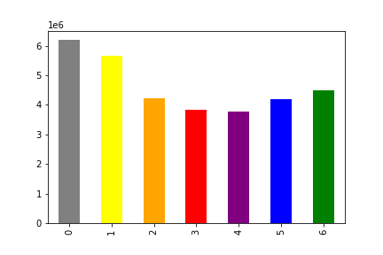
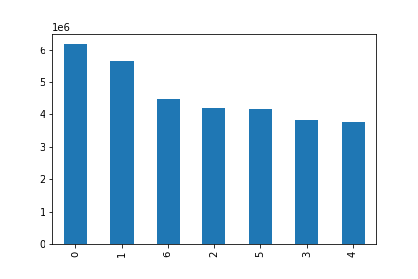

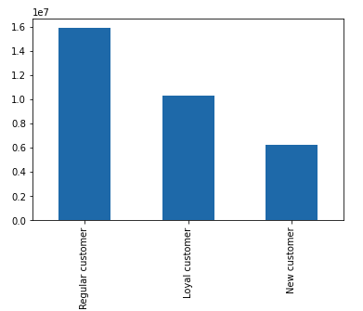
Frequency
Frequency
Frequency
Legend
0 - Saturday
1 - Sunday
2 - Monday
3 - Tuesday
4 - Wednesday
5 - Thursday
6 - Friday
We can see that most orders are placed on Saturday and Sunday, which are weekends. On Monday they drop and slowly rise again towards the weekend.
Frequency
In this bar chart we can see the frequency of loyalty. Most of the customers are regular customers (10-40 orders), there are only about one fifth new customers.

Day of the week
Day of the week
Day of the week

What are the busiest hours of the day?


The histogram shows us the frequency of the 'order_hour_of_day' column. We can see that the most orders have been made between 10 and 16 o'clock - and almost none at around 4am. Which makes sense because that's when we (should) sleep :)
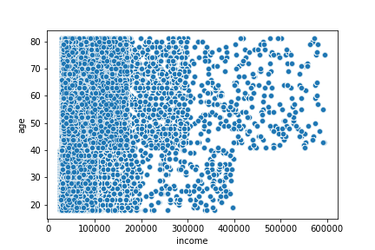
Is there a relationship between income and age?

The older the customer the more they earn. For example there are no customers under the age of 40 earning more than 400'000. A lot of customers earn up to 200'000.

order hour of the day (24h)

Are there particular days of the week when people spend the most money?

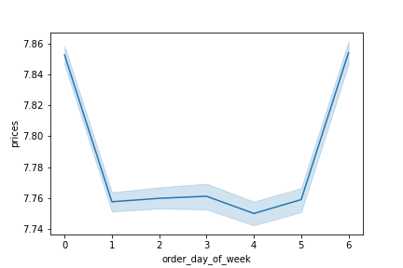
Legend
0 - Saturday
1 - Sunday
2 - Monday
3 - Tuesday
4 - Wednesday
5 - Thursday
6 - Friday
Again also here we can recognize that most money is spent around the weekend. As this is just a sample (data) it doesn't represent the whole dataset and might vary from the one above - e. g. Less money spent on Sunday.

What is the distribution of the characteristicts?

Family
Time (when orders are made)
Day (which day orders are made)

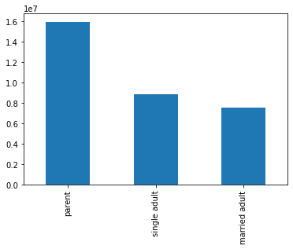
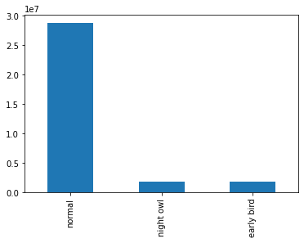
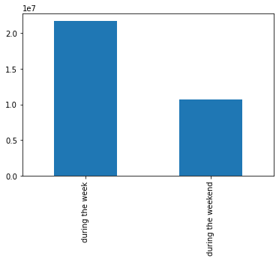
frequency
Are there particular times of the day when people spend the most money?
A good half of the customers are parents, the rest about single or married adults. Most orders are made during normal hours (7 am - 9 pm). Twice as many orders are placed during the week than on weekends - which means that in relation to the number of days, more orders are placed on weekends.

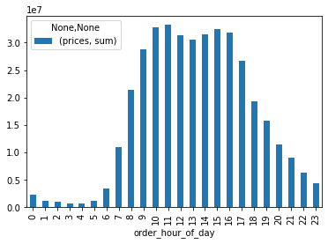
frequency
People start shoping at around 9 am and from 4 pm the money spent starts to decrease. Least money is spent in the late night from around 24 am to 5 am.

Are there differences in ordering habits based on a customer’s region?

Are there certain types of products that are more popular than others?
Northeast
Midwest
South
West

frequency
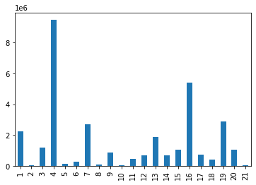
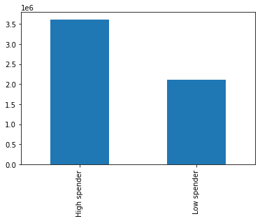
frequency
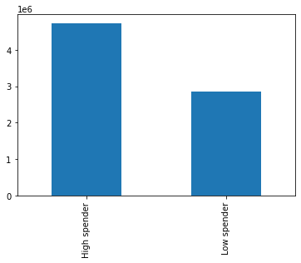


frequency
Legend
1 - frozen
2 - other
3 - bakery
4 - produce
5 - alcohol
6 - international
7 - beverages
8 - pets
9 - dry goods pasta
10 - bulk
11 - personal care
12 - meat seafood
13 - pantry
14 - breakfast
15 - canned goods
16 - dairy eggs
17 - household
18 - babies
19 - snacks
20 - deli
21 - missing
frequency
frequency
It looks like there aren't big differences among the regions of the US in spending habits. In general, there are more High spender than Low spender.

departments
The top 3 departments are 4 - produce, 16 - dairy eggs and 19 - snacks whereas 2 - other and 21 - missing look like they have almost 0 orders.

Is there a relationship between the characteristics and the geographic regions?
What could be a simpler price range?
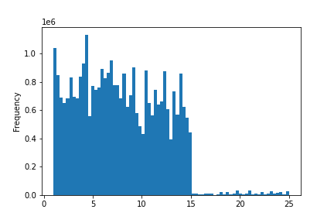
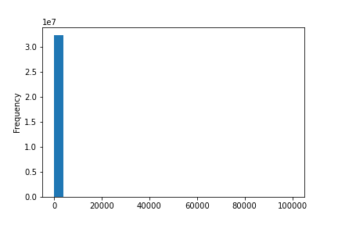
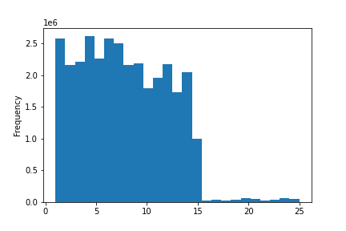
Family
Time
Day

In these histograms we can see that there are some extreme high prices but the most prices are up to 15.
A simpler price range could be from 0 - 15.
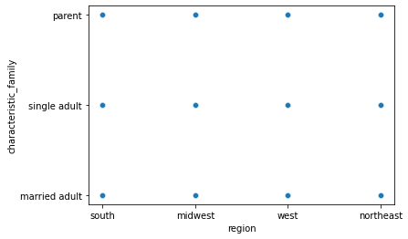
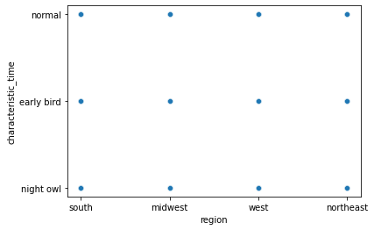
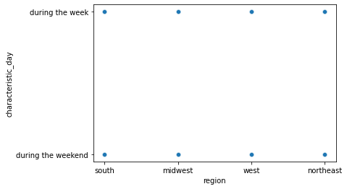

Apparently there aren't any relationships between the regions and family, time and day characteristics.

Prices
Prices
Prices

Are there differences in ordering habits based on a customer’s family characteristics?

Ordering habits of parents
Ordering habits of single adults
Ordering habits of married adults

frequency



As we can see in the bar charts: the ordering habits don't change based on a customer's family characteristics.

7. Recommendations
 |  | Title page

Recommendations

In this tab you should include any recommendations you would made to Instcart in terms of their marketing strategy based on the questions posed in the brief. Every key question has been covered in the Tasks of the Exercises - here you need to add an item - a visualisation or table/crosstable that is showing the answer in the data, acompanied by a comment from you. Please, list the questions below and add the answer underneath.

Question | Answer
Key Question 1: What are the busiest days of the week? What are the busiest hours of the day? | The busiest days are Sunday and Monday and the busiest time of the day is from 9 AM to 5 PM.
Key Question 2: Are there particular times of the week when people spend the most money? Are there particular times of the day when people spend the most money? | Most money is spent from 9 AM to 5 PM mostly around the weekend.
Key Question 3: What could be a simpler price range? | A simpler price range could be from 0 - 15.
Key Question 4: Are there certain types of products that are more popular than others? | The top 3 departments are 4 - produce, 16 - dairy eggs and 19 - snacks whereas 2 - other and 21 - missing look like they have almost 0 orders.
Key Question 5: The marketing and sales teams are particularly interested in the different types of customers in their system and how their ordering behaviors differ. | Most of the customers are parents and there are almost so many married adults as single adults. By far most of the people are ordering during usual hours. Around two third of the orders are made during the week.
- What’s the distribution among users in regards to their brand loyalty (i.e., how often do they return to Instacart)? | Most of the customers are regular customers (10-40 orders), there are only about one fifth new customers.
- Is there a relationship between income and age? | The older the customer the more they earn. For example there are no customers under the age of 40 earning more than 400'000. A lot of customers earn up to 200'000.
- What is the distribution of the characteristicts? | A good half of the customers are parents, the rest about single or married adults. Most orders are made during normal hours (7 am - 9 pm). Twice as many orders are placed during the week than on weekends - which means that in relation to the number of days, more orders are placed on weekends.
- Are there differences in ordering habits based on a customer’s region? | There aren't big differences among the regions of the US in spending habits. In general, there are more High spender than Low spender.
- Is there a relationship between the characteristics and the geographic regions? | Apparently there aren't any relationships between the regions and family, time and day characteristics.
- Are there differences in ordering habits based on a customer’s family characteristics? | The ordering habits don't change based on a customer's family characteristics.

